Applied Probability-Business
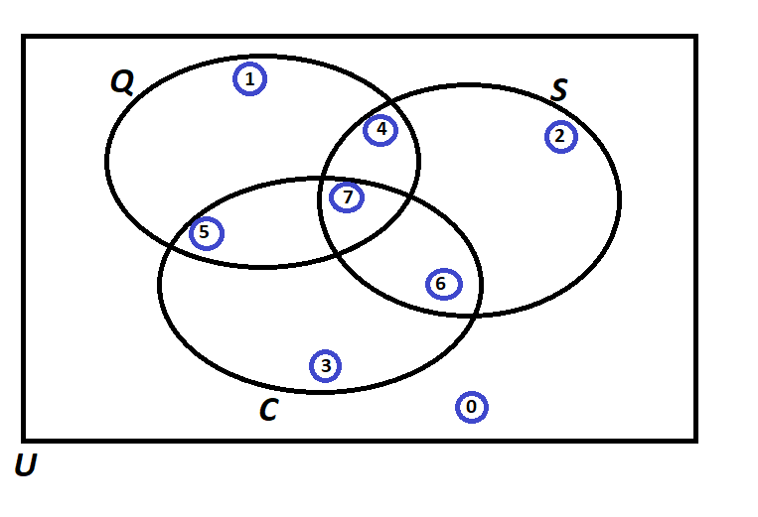
PIP | Quality Score | Process Days | Project Cost | Event of Interest: | Notation for the Probability of the given event: | Count: | Probability/Percentage
1 | 144 | 10 | 299839 | Event Q: Quality is satisfied if Quality Score > 600 | P(Q )
2 | 302 | 21 | 239108 | Event S: Speed is satisfied if Speed < 11 days | P(S )
3 | 357 | 10 | 222737 | Event C: Cost id satisfied if Cost < $193,000 | P(C )
4 | 726 | 4 | 446830 |  | Notation for the Probability of the given event: | Count: | Probability/Percentage
5 | 468 | 9 | 122586 | P(Score = 0)
6 | 140 | 10 | 394960 | P(Score = 1)
7 | 656 | 22 | 366513 | P(Score = 2)
8 | 960 | 18 | 55461 | P(Score = 3)
9 | 876 | 8 | 138821 | P(Score = 4)
10 | 557 | 11 | 442224 | P(Score = 5)
11 | 964 | 21 | 186067 | P(Score = 6)
12 | 426 | 14 | 217960 | P(Score = 7)
13 | 233 | 21 | 365636 |  | TOTAL:
14 | 287 | 21 | 66360 |  | Notation for the Probability of the given event: | Count: | Probability/Percentage
15 | 932 | 21 | 181908 | a) Of those who satisfied Speed, what percentage also satisfied Quality?
16 | 697 | 17 | 424914 | b) Of those who satisfied Quality, what percentage also satisfied Cost?
17 | 921 | 15 | 86095 | c) Of those who satisfied Speed, what percentage also satisfied Quality but did not satisfy the Cost?
18 | 485 | 20 | 201084 | d) Of those who satisfied Cost, what percentage also satisfied Quality but did not satisfy theSpeed?
19 | 256 | 8 | 280930 | e) Of those who did not satisfy Cost, what percentage satisfied Quality and Speed?
20 | 443 | 10 | 353402 | f) What percentage satisfied exactly one of the three criteria?
21 | 352 | 11 | 444796 | g) Of those who satisfied at least two of the three criteria, what percentage satisfied exactly two criteria?
22 | 984 | 22 | 389163 | h) Of those who did not satisfy Cost, what percentage satisfied the Quality criterion?
23 | 240 | 4 | 43920
24 | 881 | 5 | 45270
25 | 439 | 20 | 163601
26 | 181 | 5 | 430698
27 | 924 | 6 | 133006
28 | 94 | 14 | 51913
29 | 778 | 22 | 247877
30 | 882 | 22 | 134797
31 | 481 | 14 | 387459
32 | 435 | 7 | 61921
33 | 791 | 17 | 303490
34 | 475 | 5 | 287888
35 | 450 | 7 | 353156
36 | 775 | 17 | 426197
37 | 71 | 4 | 182416
38 | 932 | 4 | 370909
39 | 634 | 11 | 404660
40 | 341 | 17 | 92468
41 | 384 | 9 | 257994
42 | 642 | 10 | 247462
43 | 112 | 12 | 343220
44 | 126 | 17 | 130577
45 | 247 | 12 | 89963
46 | 918 | 17 | 311866
47 | 72 | 7 | 441039
48 | 74 | 7 | 243117
49 | 308 | 7 | 34443
50 | 377 | 18 | 132433

Probability Rules
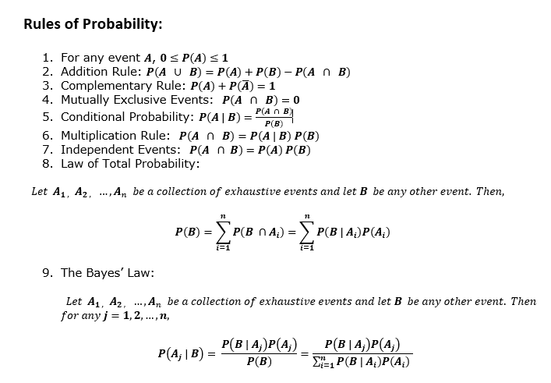
Probability

